1. Title Page
[Project Name]

Project Name: Instacart Grocery Basket Analysis
Date: January 2023
Analyst Name: Ioannis Papadopoulos

Contents:
Population Flow
Consistency checks
Wrangling steps
Column derivations
Visualizations
Recommendations

Data Citation:

“The Instacart Online Grocery Shopping Dataset 2017”, Accessed from https://www.instacart.com/datasets/grocery-shopping-2017 on 2022-12-02.

Data on product prices and customers are fabricated and are not liable to any PII (personal identifiable information) laws.

2. Population Flow
Title page

Population flow

Exclusion flag
Condition: max_order < 5
Obervations to be removed: 1.440.295
Final total count of order_products_all:

Orders_products_combined
Orders_products_merged
Orders_products_all

Total: 32.434.489
Total: 32.434.489
Total: 32.404.859

1.) The grey boxes in the first row of the population flow represent the original data sets as they were when you downloaded them. In the Total fields you need to add the count of the rows when you imported the data set into Jupyter.
2.) The second row of boxes (coloured) represents the data sets after you manipulated them, e.g., removed missing values and duplicates. In the Total fields you need to add the count of the rows after conducting these operations. This offers a visual oveview of how the data flows throughout the data consistency checks.
3.) The third row, where also the arrows are coloured, represents the merges you performed between the datasets. In the Total fields you need to add the count of the rows in the merged datasets, so that you end up with the final dataset (in the red box). Keep in mind the final dataset should be without exclusions (based on the exclusion flag).

3. Consistency checks
 |  |  |  | Title page
Consistency checks

Dataset | Missing values | Missing values treatment | Duplicates
orders | 206209 in column days_since_prior_order | A new column was created where all the values where flagged as True for new customers and false for existing customers | No duplicates were found
products | 16 in column Product_name | Missing values were moved in a subset | 5 duplicates were found
orders_products_prior | No missing values | No missing values | No duplicates were found
customers | 11259 in column first_name | They were ignored as we had all the other necessary information. On top, these missing values were just 5% of the whole column | No duplicates were found

4. Wrangling steps
 |  |  |  | Title page
Wrangling steps

Columns dropped | Columns renamed | Columns' type changed | Comment/Reason
eval_set in df_orders |  |  | The column was deleted as it was unnecessary
 | order_dow to orders_day_of_week in df_ords |  | The name was unintuitiveand. Was changed for better readability
 | First Name to first_name |  | The name was unintuitiveand. Was changed for better readability
 | Surnam to surname |  | The name was unintuitiveand. Was changed for better readability
 | Gender to gender |  | The name was unintuitiveand. Was changed for better readability
 | State to state |  | The name was unintuitiveand. Was changed for better readability
 | Age to age |  | The name was unintuitiveand. Was changed for better readability
 | date_joined to date_registered |  | The name was unintuitiveand. Was changed for better readability
 | n_depenands to number_of_depenands |  | The name was unintuitiveand. Was changed for better readability
 | fam_status to marital_status |  | The name was unintuitiveand. Was changed for better readability

 |  | user_id and order_id string from numeric

5. Column derivations
 |  |  |  | Title page

Column derivations and aggregations

In this tab you should add tables below that the frequences of flags/label variables that you produced after deriving them. NB: don't do this for continuous variables, only for flags.
Dataset | New column | Column/s it was derived from | Conditions
order_products_merged_new.pkl | price_range | prices | If the price is less than or equal to $5, then low-range product If the priceis between $5 and $15, then mid-range product If the price is greater than $15, then high-range product
 | busiest_day | orders_day_of_week | If day is 0, then busiest day If day is 4, then least busy If else, then regularly busy
 | busiest_days | orders_day_of_week | If day is either 0 or 1, then busiest days If day is either 3 or 4, then slowest days If else, then regularly busy
 | busiest_period_of_day | order_hour_of_day | If the hour falls from 9 to 16, then flagged as most orders If the hour less than 6, then flagged as fewest orders If else, then flagged as average orders

ords_prods_merge_task48.pkl | max_order | user_id, order_number | Define what is the maximum orders per customer
 | loyalty_flag | max_order | If customer has more than 40 orders, then flagged as loyal customer If customer has between 10 and 40 orders, then as regular customer If customer has less than 10, then as new customer
 | avg_price | user_id, prices | Define what is the average price per customer
 | spending_flag | average_price | If the price is less than 10$, then flagged as low spender If price is greater than or equal to 10$, then flagged as high spender
 | median_order | user_id, days_since_prior_order | defines the median order frequency per customer
 | order_frequency_flag | median_order_frequency | If the order frequency is less than 20, then flagged as non-frequent customer If order frequency is between 20 and 10, then flagged as regular customer If order frequency is lower than 10, then flagged as frequent customer

ords_prods_custs_normal.pkl | department | department_id | Data dictionary was used from departments_wrangled.csv
 | region | state | northeast groups is ['Maine','New Hampshire','Vermont','Massachusetts','Rhode Island','Connecticut','New York','Pennsylvania','New Jersey'] midwest group is ['Wisconsin','Michigan','Illinois','Indiana','Ohio','North Dakota','South Dakota','Nebraska','Kansas','Minnesota','Iowa','Missouri'] south groups is ['Delaware','Maryland','District of Columbia','Virginia','West Virginia','North Carolina','South Carolina','Georgia','Florida','Kentucky', 'Tennessee','Mississippi','Alabama','Oklahoma','Texas','Arkansas','Louisiana'] west group is ['Idaho','Montana','Wyoming','Nevada','Utah','Colorado','Arizona','New Mexico','Alaska','Washington','Oregon','California','Hawaii']
 | activity_flag | max_order | If the max order is 5 or more, then flagged as normal_activity_customer If max order is less than 5, then flagged as low_activity_customer
 | age_group_flag | age | 18-35 = Young 36-60 = Middle aged over 60 = Senior
 | income_flag | income | <30000 = Low income 30000-100000 = Middle income over 100000 = High Income
 | household_flag | dependents | 0 depenands = Small household 1-2 depenands = Medium household more than 3 depenands = Big Household
 | baby_flag | department | If a family is buying from department_id=18 (babies) and number of depenands > 0= young child If department_id is not 18 and number of depenands > 0= young child= older child

6. Visualizations
 |  |  |  |  |  | Title page

Visualisations

In this tab you should include all the visualtions from Exercises 4.9 and 4.10, alongside the questions from the project brief that they answer. Include any commentary on the relationship between different variables.

Q1. The sales team needs to know what the busiest days of the week and hours of the days are (i.e., the days and times with the most orders) in order to schedule ads at times where there are fewer orders.

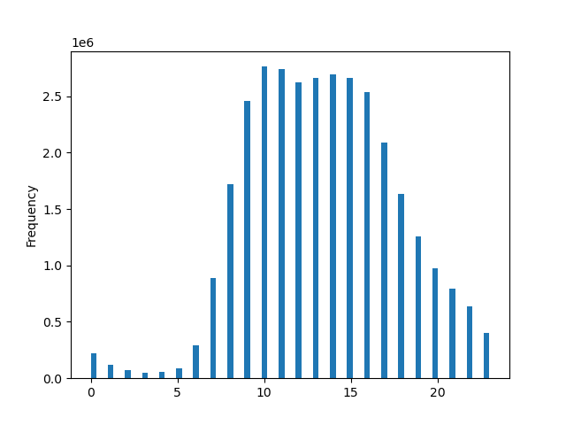

 | In this chart we see the distribution of orders during the dys of the week |  |  |  | In this chart we see the distribution of orders during the hours of the day
 | Saturday=0 is the busiest day |  |  |  | The busiest hour is 10AM and is going strong till 4PM
 | Wednesday=4 is the least busy day

 | Saturday | 0
 | Sunday | 1
 | Monday | 2
 | Tuesday | 3
 | Wednesday | 4
 | Thursday | 5
 | Friday | 6

Q2. They also want to know whether there are particular times of the day when people spend the most money, as this might inform the type of products they advertise at these times.
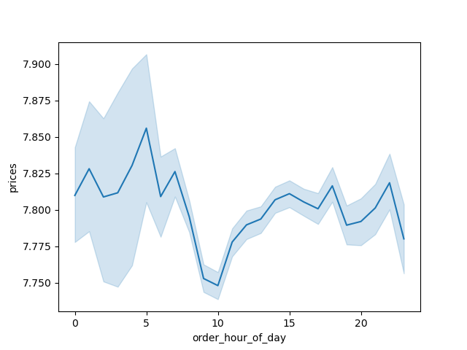

 |  |  | In this chart we see that people spend the most money between 4 and 5 AM and again 3-10PM

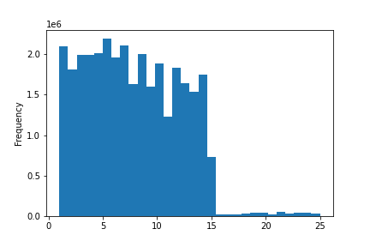
Q3. Instacart has a lot of products with different price tags. Marketing and sales want to use simpler price range groupings to help direct their efforts.

 |  |  | In this chart we see that most of the prices range between 1-15$. A new price rage could be 15-20$ and 20-25$

Q4. Are there certain types of products that are more popular than others? The marketing and sales teams want to know which departments have the highest frequency of product orders
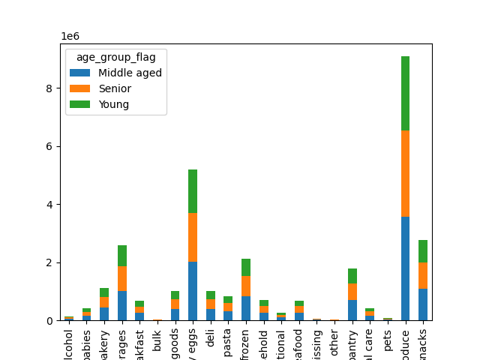
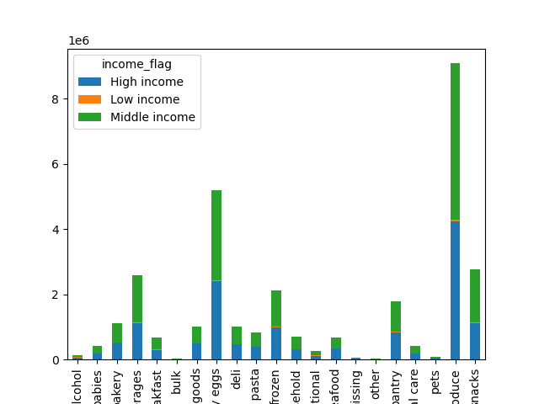

 | In both charts , that we check two different distributions, we see that the popularity of the different categories stays the same.
 | Produce is the most popular, followed by dairy&eggs and then snacks and beverages

Q5. The marketing and sales teams are particularly interested in the different types of customers in their system and how their ordering behaviors differ.
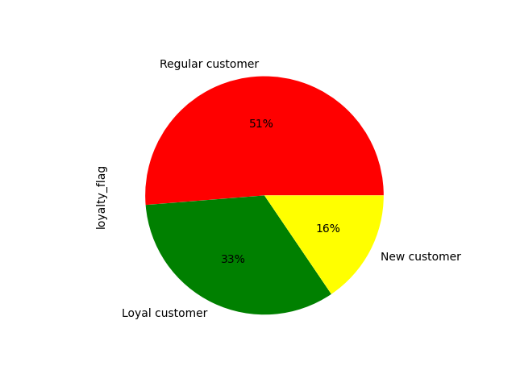

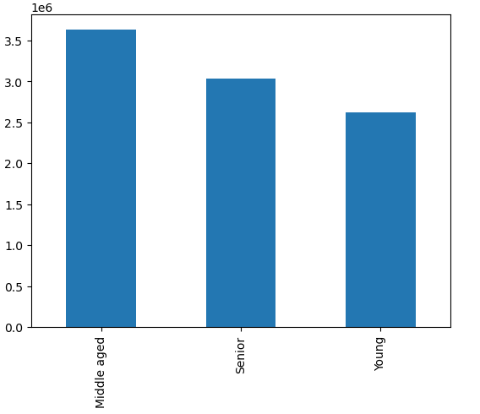

 | Customer loyalty |  |  |  | Customer age distribution

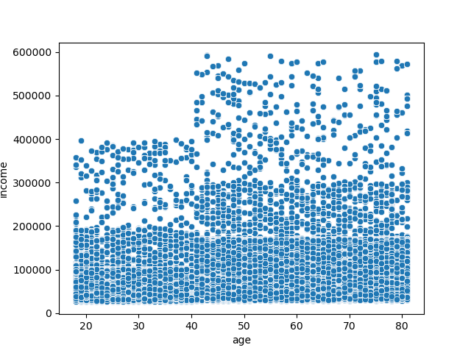

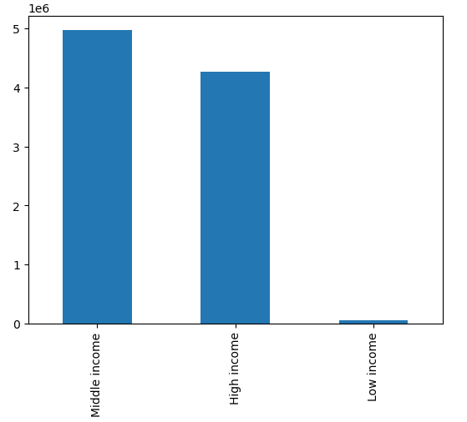

 |  | Age and income distribution |  | Customer income distribution

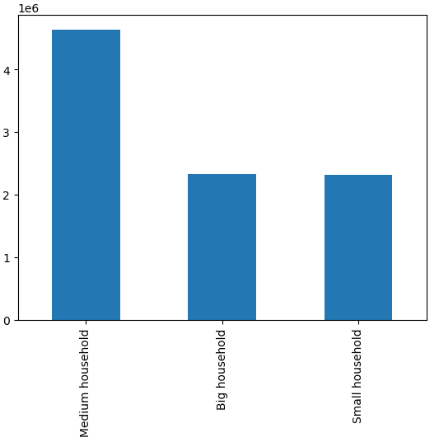
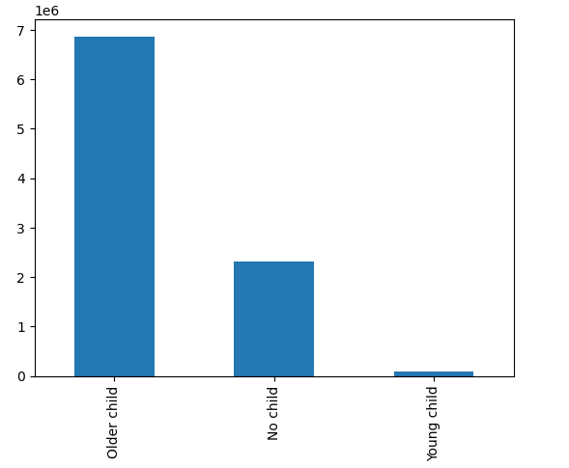

 |  | Customer household size distribution |  | Customer children age distribution

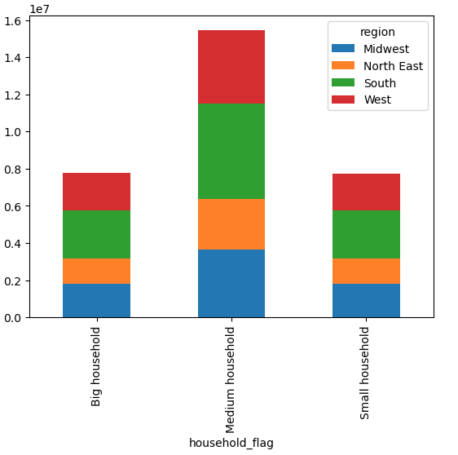
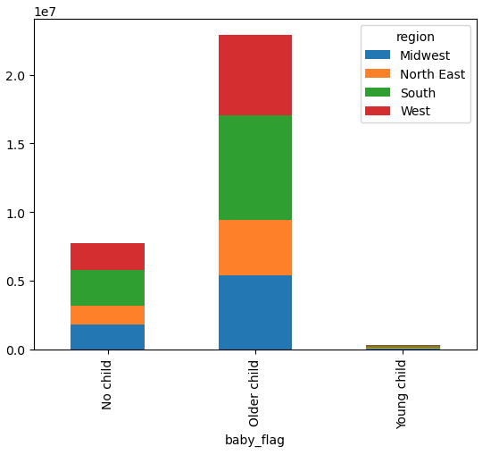

 |  | Customer household size per region distribution |  | Customer children age per region distribution

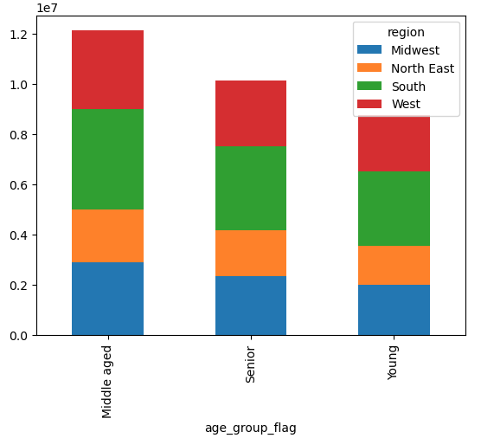
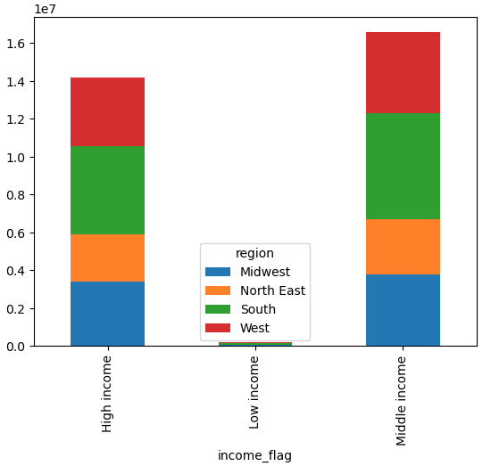

 |  | Customer age per region distribution |  | Customer income per region distribution

7. Recommendations
 |  | Title page

Recommendations

In this tab you should include any recommendations you would made to Instcart in terms of their marketing strategy based on the questions posed in the brief. Every key question has been covered in the Tasks of the Exercises - here you need to add an item - a visualisation or table/crosstable that is showing the answer in the data, acompanied by a comment from you. Please, list the questions below and add the answer underneath.

Question | Answer
Key Question 1 | In this case , I would target the weak days and hours of the week with new ads. On the chart in the visualizations tab we can easily identify them.
Key Question 2 | People tend to buy the most expensive items and spend the most money between 4 and 5 AM and again 3-10PM. Extra ads during those hours with expensive products would be reccomended
Key Question 3 | I would suggest to create two more price categories. A premium at 15-20$ and an extra premium at 20-25$
Key Question 4 | The top five product categories are Produce, Dairy Eggs, Snacks, Beverages and Frozen
Key Question 5 | In the visualizations we can see different trends and relations between the values we analyzed. Here I would suggest the marketing team to brainstorm and find new ways of targeting the customers. For example, we know that the storgest region is the South. Why is that happening and who can the sales in the other regions be boosted

